Cover


Report Name: | Escalation Matrix CNOC
Time Scope: | From Start of the Month
Last updated Week # 36 | 2024
From: | Engineering NOMC
POC: | CNOC

TWA
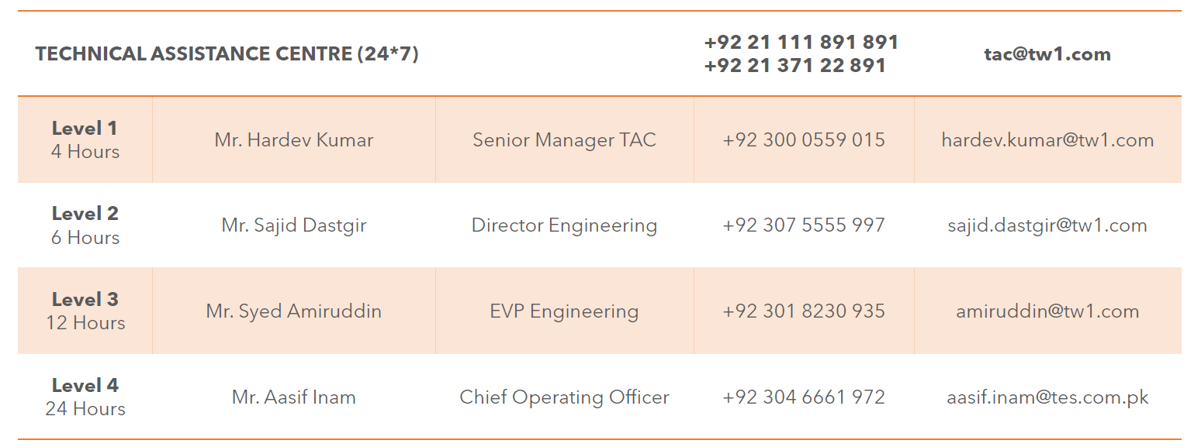
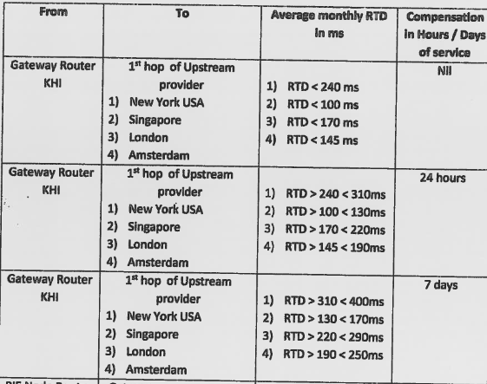
Escalation Matrix
Escalation levels | Name | Designation | Escalation Time | Contact Number | Email address
Level 1 | TAC | 24/7 Team | Immediate | 92 21 111 891 891 92 21 371 22 891 | tac@tw1.com | Saad Siddiqui <saad.siddiqui@tw1.com>
Level 2 | Mr. Hardev Kumar | Senior Manager- TAC | 4 hours | 3000559015 | hardev.kumar@tw1.com
Level 3 | Mr. Sajid Dastgir | Director Engineering | 6 hours | 3075555997 | sajid.dastgir@tw1.com
Level 4 | Mr. Syed Amiruddin | EVP Engineering | 12 hours | 3018230935 | amiruddin@tw1.com
Level 5 | Mr. Aasif Inam | Chief Operating Officer | 24 hours | 3046661972 | aasif.inam@tes.com.pk
For TWA Uplink BW Expansion | Atif siddiqui | GM business development |  | 3008543424 | atif.siddiqui@tw1.com | Escalate to Mr. Atif before esclation to Mr. Faisal

CMI
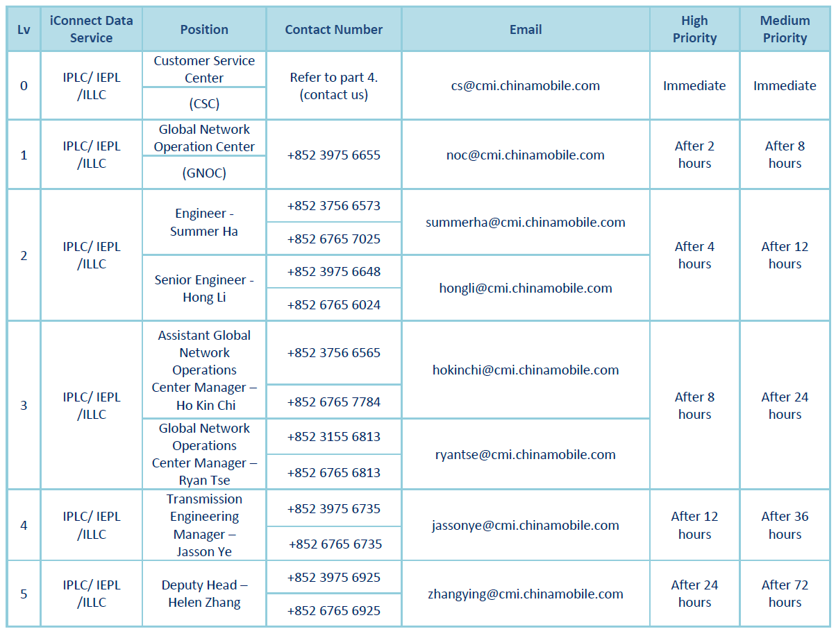
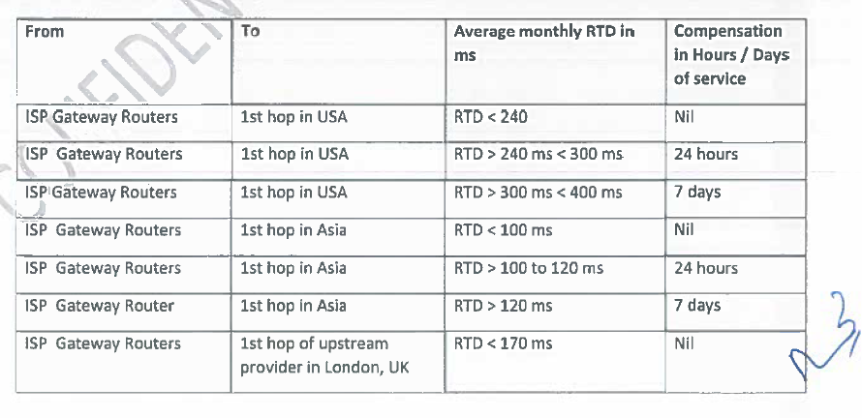
Escalation Matrix
Escalation levels | Name | Designation | Escalation Time | Contact Number | Email address
Level 0 | Customer Service Center | CSC | Immediate |  | cs@cmi.chinamobile.com
Level 1 | Global Network Operation Center | GNOC | After 2 hours for High Priority After 8 hours for Medium Priority | 852 3975 6655 | noc@cmi.chinamobile.com
Level 2 | Summer Ha Hong Li | Engineer Senior Engineer | After 4 hours for High Priority After 12 hours for Medium Priority | 852 3756 6573 852 3975 6648 | summerha@cmi.chinamobile.com hongli@cmi.chinamobile.com
Level 3 | Ho Kin Chi Ryan Tse | Assistant Global Network Operations Center Manager Global Network Operations Center Manager | After 8 hours for High Priority After 24 hours for Medium Priority | 852 3756 6565 852 3155 6813 | hokinchi@cmi.chinamobile.com ryantse@cmi.chinamobile.com
Level 4 | Jasson Ye | Transmission Engineering Manager | After 12 hours for High Priority After 36 hours for Medium Priority | 852 3975 6735 | jassonye@cmi.chinamobile.com
Level 5 | Helen Zhang | Deputy Head | After 24 hours for High Priority After 72 hours for Medium Priority | 852 3975 6925 | zhangying@cmi.chinamobile.com

Vision Telecom
GO TO HOMEPAGE
Escalation Matrix
Escalation levels | Name | Designation | Escalation Time | Contact Number | Email address
Level 1 | Vision Telecom-Support | Corporate Helpdesk | Immediate | 0308-8881418 0308-8886470 042-32508888 | support@visiontelecom.com.pk
Level 2 | Rizwan Younis | Manager Network Support-Team Lead | No response within 30min escalation to Level-2 | 0300-0807140 | rizwan.younis@visiontelecom.com.pk
Level 3 | Asad Abbas | Sr. Manager Carrier Business | No response within 60min escalation to Level-3 | 0300-0449512 | asad.abbas@visiontelecom.com.pk

Cybernet
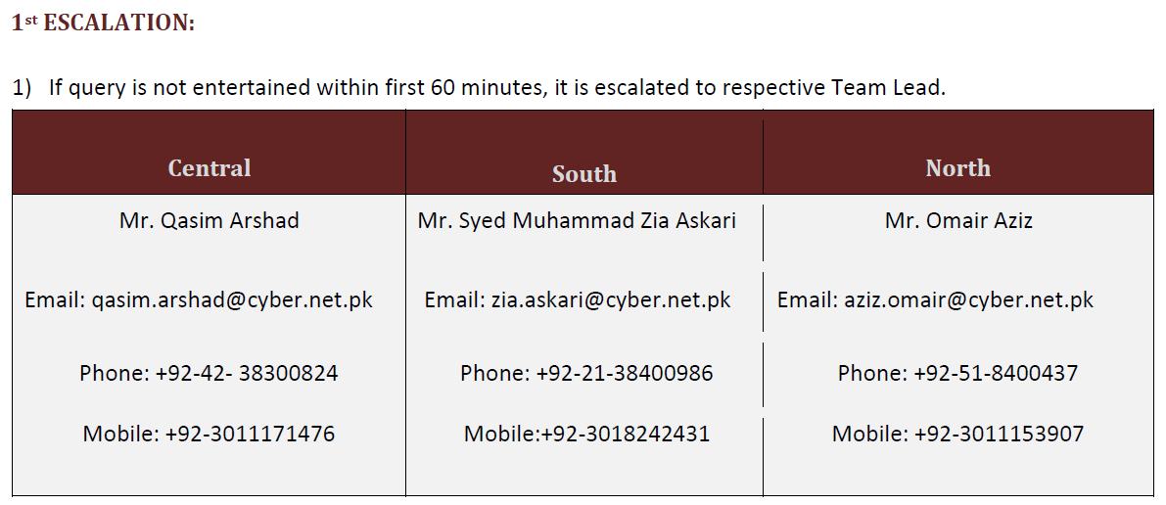
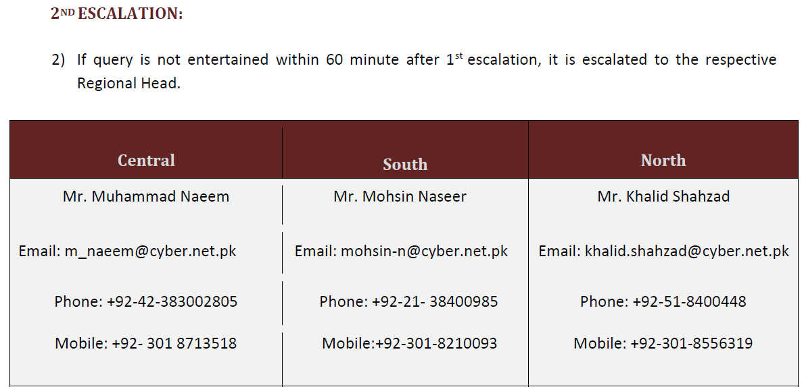
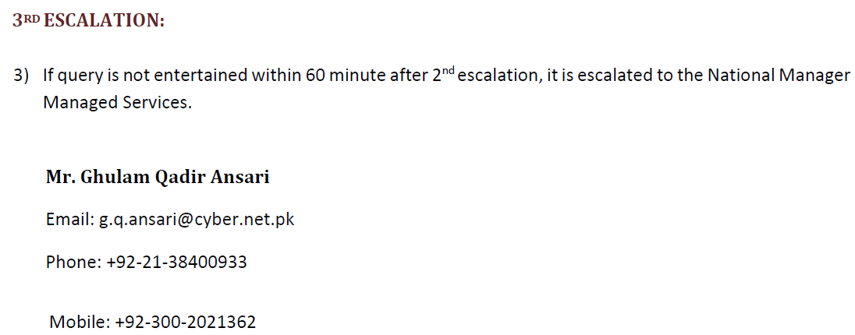
Escalation Matrix |  |  |  |  |  | Direct Tel: 021-38400785
Escalation levels | Contact Name | Designation | Email/Group Alias | Contact Number | Response/TAT
1 | Central | CYBERNET’s Duty Support Consultant Help Desk | cdms@cyber.net.pk helpdesk@cyber.net.pk | 111-56-56-56 | Immediate

 | South |  | cdms@cyber.net.pk helpdesk@cyber.net.pk | 111-56-56-56 | Immediate

 | North |  | cdms@cyber.net.pk helpdesk@cyber.net.pk | 111-56-56-56 | Immediate

2 | Central: Mr. Qasim Arshad | Team Lead | qasim.arshad@cyber.net.pk | 4238300824 3011171476 | 60 Minutes

 | South: Mr. Syed Muhammad Zia Askari |  | zia.askari@cyber.net.pk | 2138400986 3018242431

 | North: Mr. Omair Aziz |  | aziz.omair@cyber.net.pk | 518400437 3011153907

3 | Central: Mr. Muhammad Naeem | Regional Head. | m_naeem@cyber.net.pk | 42383002805 3018713518 | 60 Minutes after 1st escalation

 | South: Mr. Mohsin Naseer |  | mohsin-n@cyber.net.pk | 2138400985 3018210093

 | North: Mr. Khalid Shahzad |  | khalid.shahzad@cyber.net.pk | 518400448 3018556319

4 | Mr. Ghulam Qadir Ansari | National Manager Managed Services | g.q.ansari@cyber.net.pk | 2138400933 3002021362 | 60 Minutes after 2nd escalation

Connect
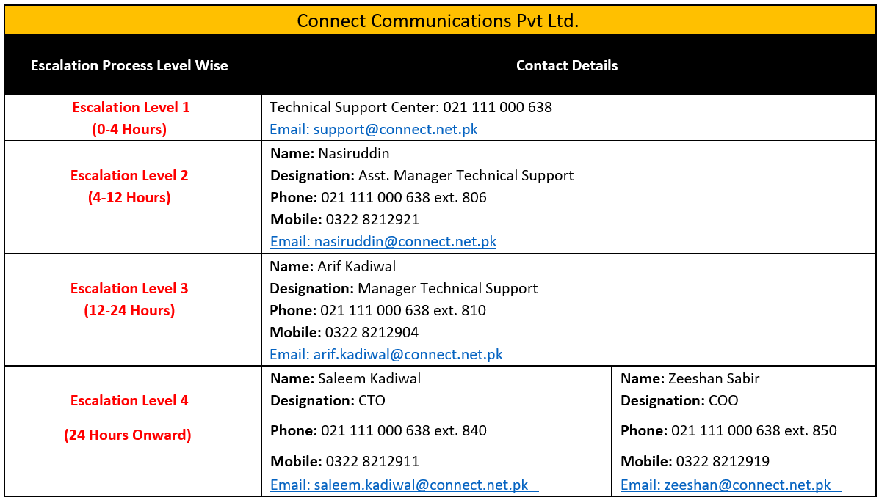
Escalation Matrix |  |  |  |  |  | Connect NOC # 03228219052
Escalation levels | Name | Designation | Escalation Time | Contact Number | Email address
Level 1 | Support | Technical Support Center | 0-4 Hours | 021 111 000 638 | support@connect.net.pk
Level 2 | Nasiruddin | Asst. Manager Technical Support | 4-12 Hours | 021 111 000 638 ext. 806 0322 8212921 | nasiruddin@connect.net.pk
Level 3 | Arif Kadiwal | Manager Technical Support | 12-24 Hours | 021 111 000 638 ext. 810 0322 8212904 | arif.kadiwal@connect.net.pk
Level 4 | Saleem Kadiwal Zeeshan Sabir | CTO COO | 24 Hours Onward | 021 111 000 638 ext. 840/0322 8212911 021 111 000 638 ext. 850/0322 8212919 | saleem.kadiwal@connect.net.pk zeeshan@connect.net.pk

Nexlinx
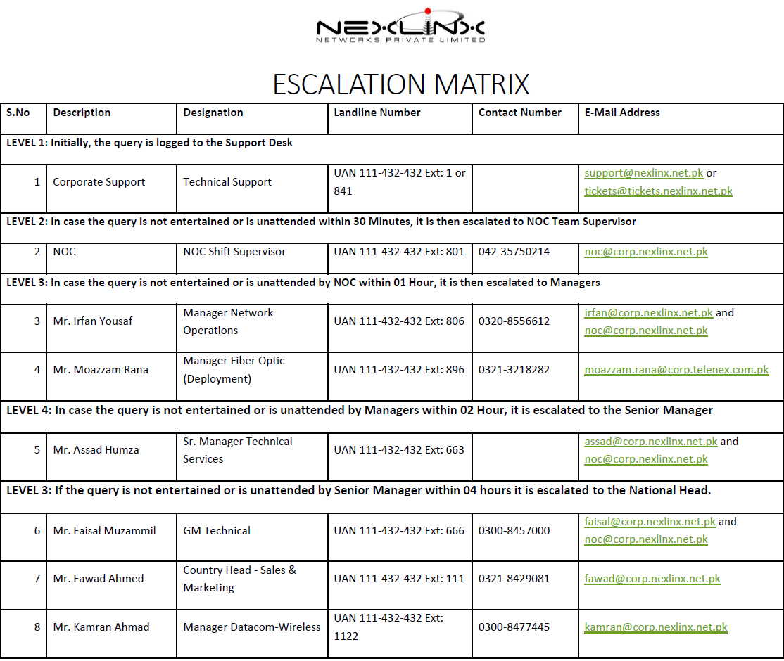
Escalation Matrix
Escalation levels | Name | Designation | Escalation Time | Contact Number | Email address
Level 1 | Corporate Support | Technical Support | Immediate | 111-432-432 Ext: 1 or 841 | support@nexlinx.net.pk; tickets@tickets.nexlinx.net.pk
Level 2 | NOC | NOC Shift Supervisor | unattended within 30 Minutes | 111-432-432 Ext: 801 042-35750214 | noc@corp.nexlinx.net.pk
Level 3 | Mr. Irfan Yousaf Mr. Moazzam Rana | Manager Network Operations Manager Fiber Optic (Deployment) | unattended by NOC within 01 Hour | 111-432-432 Ext: 806/0320-8556612 111-432-432 Ext: 896/0321-3218282 | irfan@corp.nexlinx.net.pk moazzam.rana@corp.telenex.com.pk
Level 4 | Mr. Assad Humza | Sr. Manager Technical Services | unattended by Managers within 02 Hours | 111-432-432 Ext: 663 | assad@corp.nexlinx.net.pk
Level 5 | Mr. Faisal Muzammil Mr. Fawad Ahmed Mr. Kamran Ahmad | GM Technical Country Head - Sales & Marketing Manager Datacom-Wireless | unattended by Senior Manager within 04 hours | 111-432-432 Ext: 666/0300-8457000 111-432-432 Ext: 111/0321-8429081 111-432-432 Ext: 1122/0300-8477445 | faisal@corp.nexlinx.net.pk fawad@corp.nexlinx.net.pk kamran@corp.nexlinx.net.pk

Worldcall
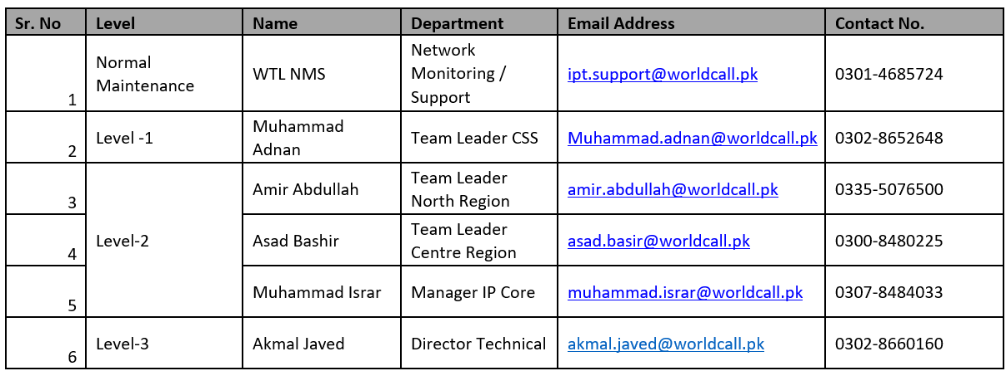
Escalation Matrix
Escalation levels | Name | Designation | Escalation Time | Contact Number | Email address
Normal Maintenance | NMS WTL | Network Monitoring / Support | Immediate | 0301-4685724 | ipt.support@worldcall.pk
Level 1 | Muhammad Adnan | Team Leader CSS | 60 Minutes | 0302-8652648 | Muhammad.adnan@worldcall.pk
Level 2 | Amir Abdullah | Team Leader North Region |  | 0335-5076500 | amir.abdullah@worldcall.pk
 | Asad Bashir | Team Leader Centre Region |  | 0300-8480225 | asad.basir@worldcall.pk
 | Muhammad Israr | Manager IP Core |  | 0307-8484033 | muhammad.israr@worldcall.pk
Level 3 | Mr. Akmal Javed | Director Technical | 120 Minutes | 0302-8660160 | akmal.javed@worldcall.pk

SATCOMM
Escalation Matrix
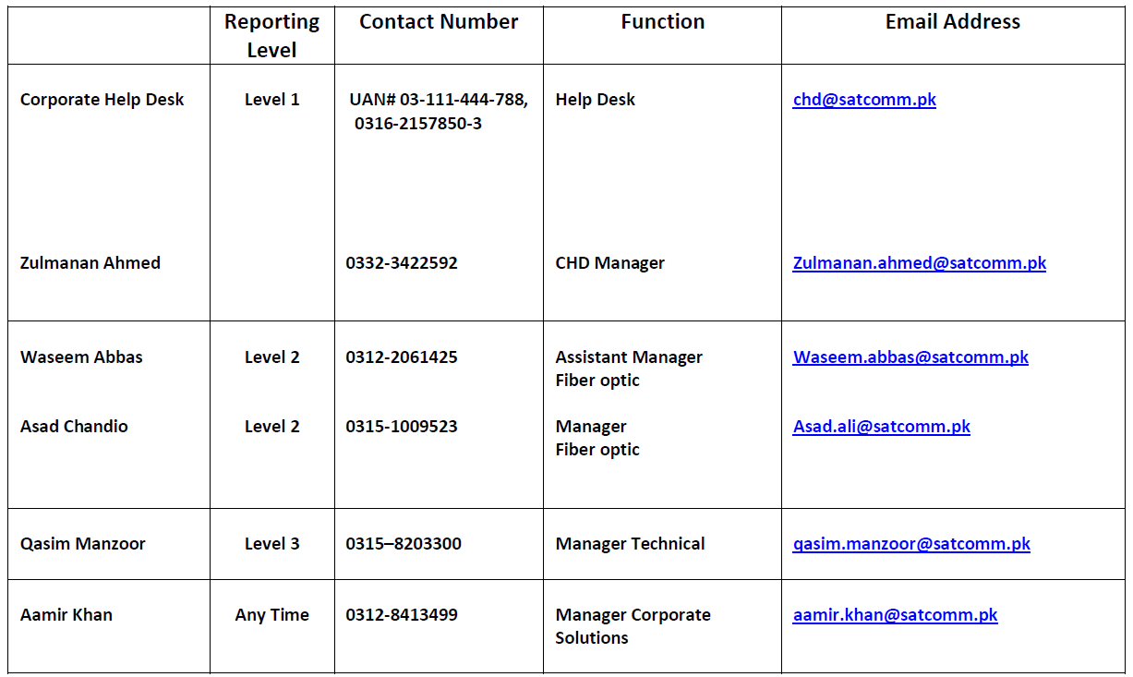

 | chd@satcomm.pk

 | zulmanan.ahmed@satcomm.pk

 | waseem.abbas@satcomm.pk

 | asad.ali@satcomm.pk

 | qasim.manzoor@satcomm.pk

 | aamir.khan@satcomm.pk

Wateen
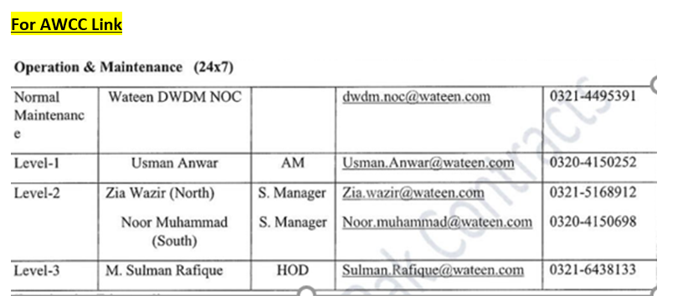
Escalation Matrix
Escalation levels | Name | Designation | Escalation Time | Contact Number | Email address
Level 1 | Wateen NOC | Shift Engineer | Immediate | 042 111 365 111 (Ext 2) | servicedesk@wateen.com | noc.datacore@wateen.com
 | Duty Manager NOC | Duty Manager | 2 hours | 0321-4002157 |  | dwdm.noc@wateen.com
Level 2 | Faisal Riaz | AM NOC | 4 hours | 0321-4496995 | Faisal.Riaz@wateen.com
Level 3 | Rizwan Khalid | Manager ENOC | 6 hours | 0320-4162061 | Rizwan.Khalid@wateen.com
Level 4 | Muzzammil Haroon | Head of NOC | 8 hours | 0321-8420861 | Muzzammil.Haroon@wateen.com
Level 5 | Sulman Rafique | Head of Field Operations | 10 Hours | 0321-6438133 | Sulman.Rafique@wateen.com

Fariya
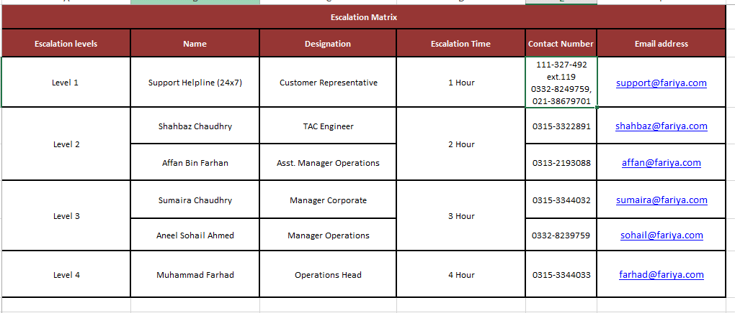
Escalation Matrix
Escalation levels | Name | Designation | Escalation Time | Contact Number | Email address
Level 1 | Support Helpline (24x7) | Customer Representative | 1 Hour | 111-327-492 ext.119 0332-8249759, 021-38679701 | support@fariya.com; csd@fariya.com; corp-support@fariya.com; operations@fariya.com
Level 2 | Shahbaz Chaudhry | TAC Engineer | 2 Hour | 0315-3322891/0316-2575678 | shahbaz@fariya.com
 | Affan Bin Farhan | Asst. Manager Operations |  | 0313-2193088 | affan@fariya.com
Level 3 | Sumaira Chaudhry | Manager Corporate | 3 Hour | 0315-3344032 | sumaira@fariya.com
 | Aneel Sohail Ahmed | Manager Operations |  | 0332-8239759 | sohail@fariya.com

Dreamnw (DNT)
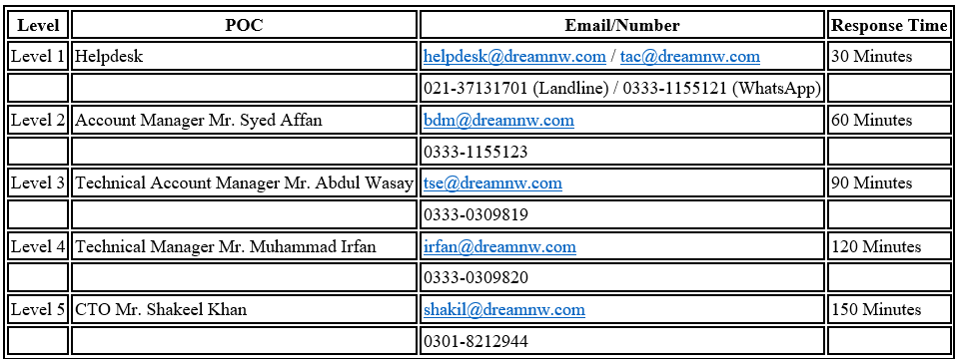
Escalation Matrix
Escalation levels | Name | Designation | Escalation Time | Contact Number | Email address
Level 1 | Helpdesk | Helpdesk | 30 Minutes | 021-37131701 (Landline) / 0333-1155121 (WhatsApp) | helpdesk@dreamnw.com; tac@dreamnw.com
Level 2 | Mr. Syed Affan | Account Manager | 60 Minutes | 0333-1155123 | bdm@dreamnw.com
Level 3 | Mr. Abdul Wasay | Technical Account Manager | 90 Minutes | 0333-0309819 | tse@dreamnw.com
Level 4 | Mr. Muhammad Irfan | Technical Manager | 120 Minutes | 0333-0309820 | irfan@dreamnw.com
Level 5 | Mr. Shakeel Khan | CTO | 150 Minutes | 0301-8212944 | shakil@dreamnw.com

Multinet
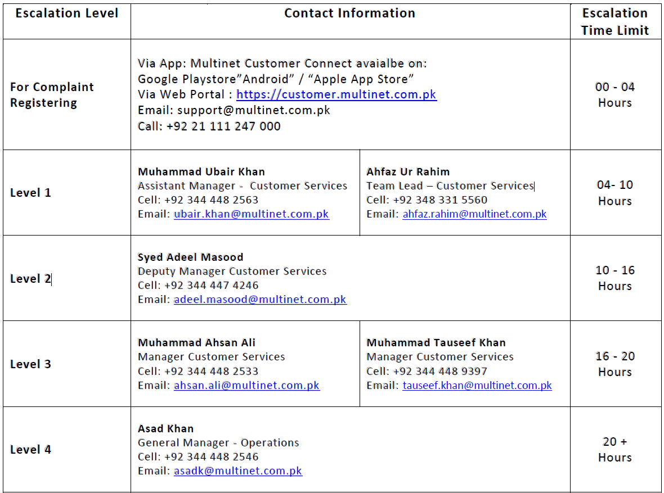
Escalation Matrix
Escalation levels | Name | Designation | Escalation Time | Contact Number | Email address
Level-1 | Support | Online Technical Support | 0-4 Hours | 021-111-247-000 | support@multinet.com.pk | GSAC <GSAC@multinet.com.pk>
Level-2 | Muhammad Ubair Khan Ahfaz Ur Rahim | Assistant Manager - Customer Services Team Lead – Customer Services | 4-10 Hours | 344 448 2563 348 331 5560 | ubair.khan@multinet.com.pk ahfaz.rahim@multinet.com.pk
Level-3 | Syed Adeel Masood | Deputy Manager Customer Services | 10-16 Hours | 344 447 4246 | Adeel.masood@multinet.com.pk
Level-4 | Muhammad Ahsan Ali Muhammad Tauseef Khan | Manager Customer Services Manager Customer Services | 16-20 Hours | 344 448 2533 344 448 9397 | ahsan.ali@multinet.com.pk tauseef.khan@multinet.com.pk
Level-5 | Asad Hasan Khan | General Manager - Operations | 20+ Hours | 344 448 2546 | asadk@multinet.com.pk

GSAC
 | Escalation Matrix

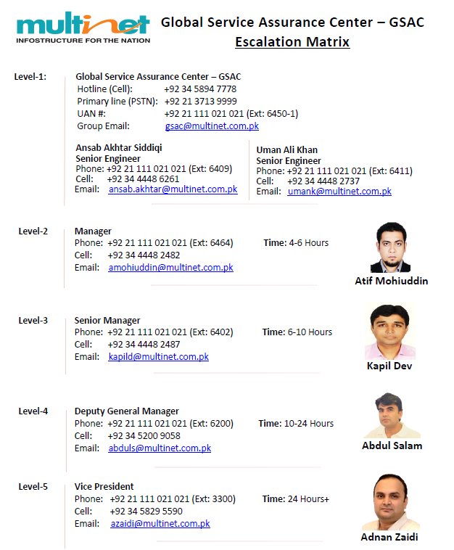

Updated Escalation Matrix
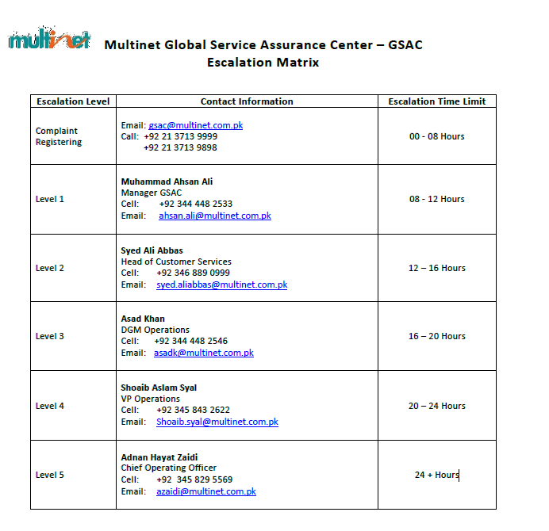

 |  | gsac@multinet.com.pk

 |  | ahsan.ali@multinet.com.pk

 |  | syed.aliabbas@multinet.com.pk

 |  | asadk@multinet.com.pk

 |  | Shoaib.syal@multinet.com.pk

China Unicom Global
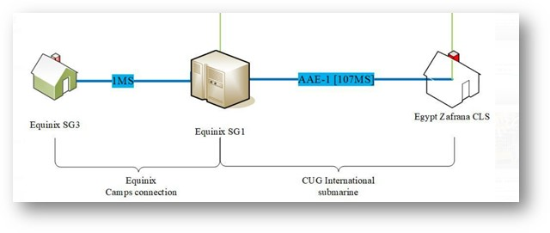
Escalation Matrix
Escalation levels | Name | Designation | Escalation Time | Contact Number | Email address
Level-1 | Global Customer Service Center | GCSC | Immediate | Hotline: +86 10 8201 3399 +852 2626 8833 | Customer_Service@chinaunicom.cn
Level-2 |  | Duty Manager | Up to 2Hours | Direct Line: +86 10 8234 9261 | Customer_Service@chinaunicom.cn
Level-3 | Alicia Wu | Service Manager | Up to 4Hours | Mobile: +86 136 6135 5673 | aliciawu@chinaunicom.cn
Level-4 | Ying Cai | Senior Service Manager | Up to 8Hours | D Mobile: +86 156 1107 0026 | caiying2@chinaunicom.cn
Level-5 | Huiming Ge | General Manager of GCSC | Up to 12Hours | Direct Line: +852 2189 2518 | gehm3@chinaunicom.cn

CMPAK Unique ID: IPLC14371SL1
CMPAK Customer: Telecom Egypt
Vendor name: China Unicom Global
Vendor Unique Circuit ID: SNG/CU-ZFR/CU EP001
A End Address: Equinix Data Center SG3, 26A Ayer Rajah Crescent, Singapore 139963
B End Address: Egypt Zafrana CLS
Circuit Type: 1*100G IEPL

CC:
Malik.Raza@zong.com.pk
tariq.raza@zong.com.pk
khalid.jamiluddin@zong.com.pk
ali.sajjad@zong.com.pk
steventse@chinaunicom.cn
nicholasng@chinaunicom.cn
henryhuang@chinaunicom.cn

Vendor Hotline:
International：(86) 10-8201-3399 / (852) 2626-8833
Republic of Korea: 0808993120
Singapore Local：8008526819

